Directions
The directions below will show you how to use and customize Power Query for the first time.
Power query is an awesome tool. If you use data in Excel, that arives from a different Excel or CSV file, Power Query could be the best way to load it.

1 | In the Excel File Menu, choose Data; then Show Queries

2 | Over to the right of your screen, Right-click Get_Data_Folder and choose Edit. (Note, a new window will open.)
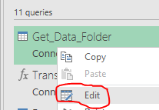

3 | In the Power Query Editor, choose Close & Load to return to Excel. This is how you get back to Excel.
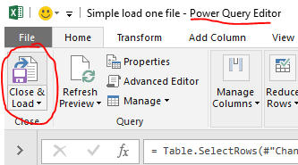

4 | In Excel, scroll your screen so this row is at the top showing the directions below (or print these directions). Then, repeat step 2 and reopen Power Query Editor.

5 | In Power Query Editor, select View, then enable the Formula Bar.
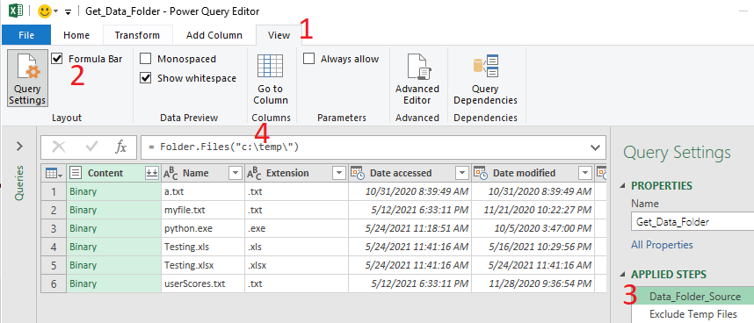

6 | Next, select APPLIED STEPS: Data_Folder_Source. This is the location of the file(s) to load. Update it if needed.

7 | Go to step 2, Exclude_Temp_Files, and look at the files you've loaded. If undesired files are included, update the filtering critera, as shown in the Formula Bar.

8 | Now, Expand the Navigator Pane, and select the Workbook Queries: Raw_Data

9 | Assuming you'd like to customize this with additional features, go to menu item Add Column, Conditional Column.
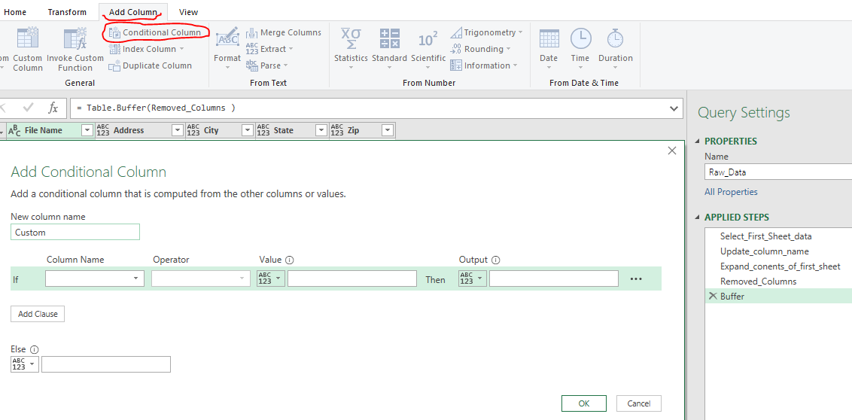

10 | Continue to add or transform columns as desired. Once finished choose Close & Load.

11 | Your Excel file(s) now load into the shet Raw_Data

12 | You have now loaded, and managed, your own data via Power Query. Congratulations!!!!

